Foglio1
DATE | 2026-03-02
SEASON | AW26/27 PPS INSTRUCTION
CUSTOMER/LABEL | THE JACKIE LEATHERS
SUPPLIER | PAKKAR
STYLE NAME | SANDY suede skirt
AVOID PIN HOLES OR SCRATCHES ON SUEDE
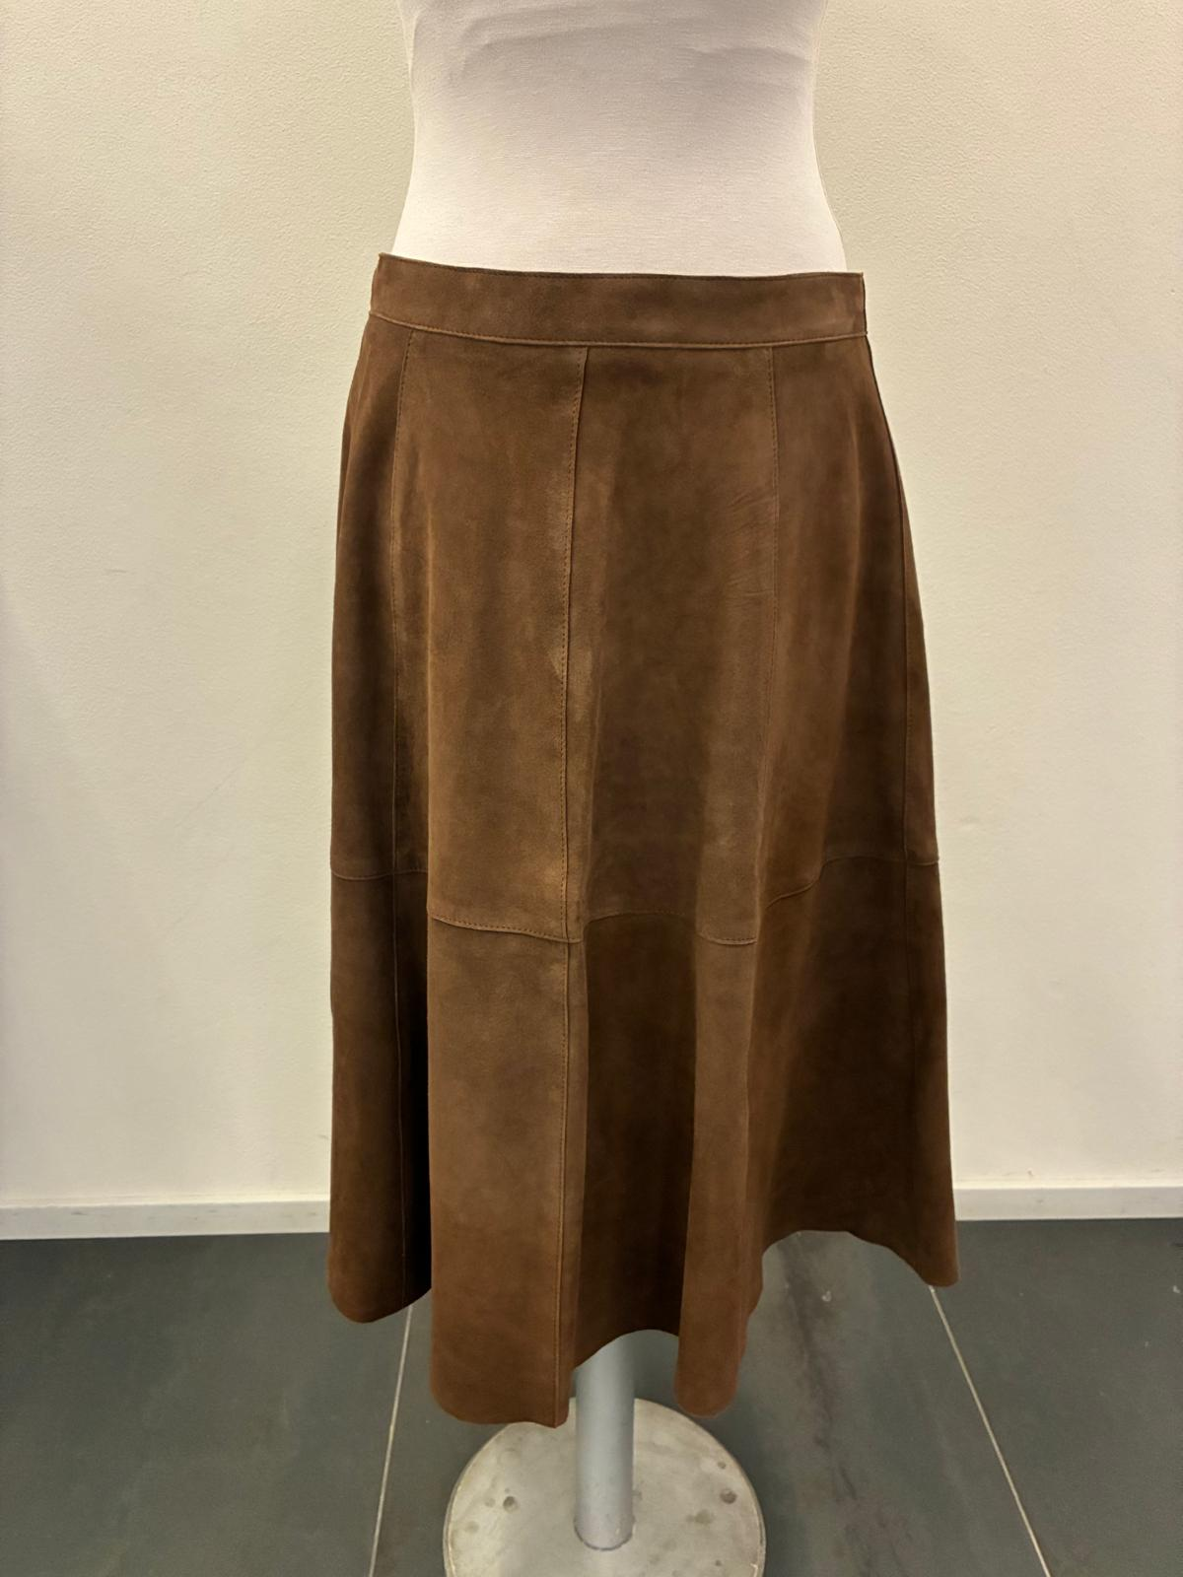 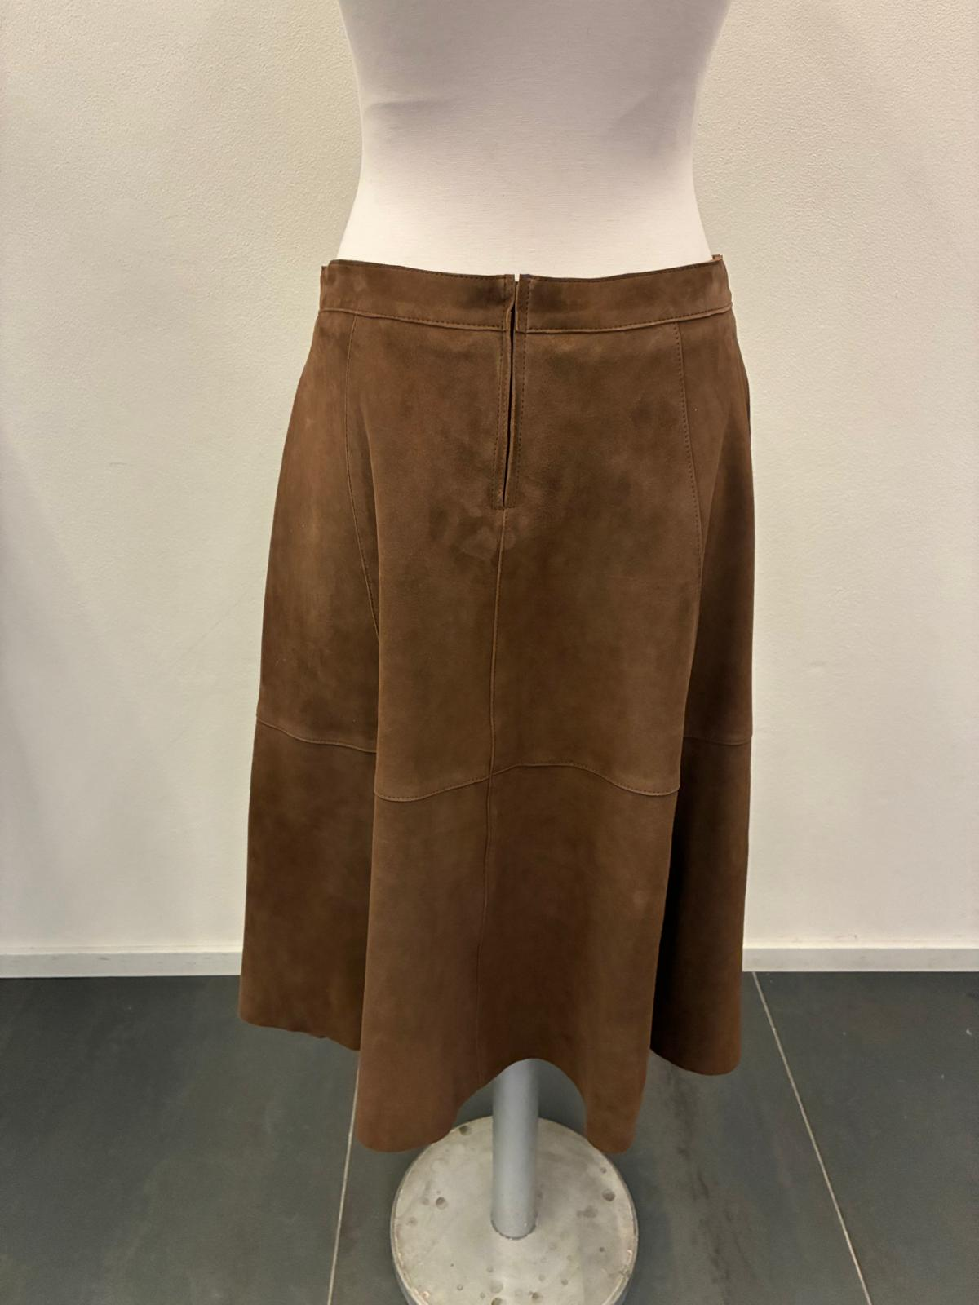 
AVOID VEIN MARKS ON SUEDE
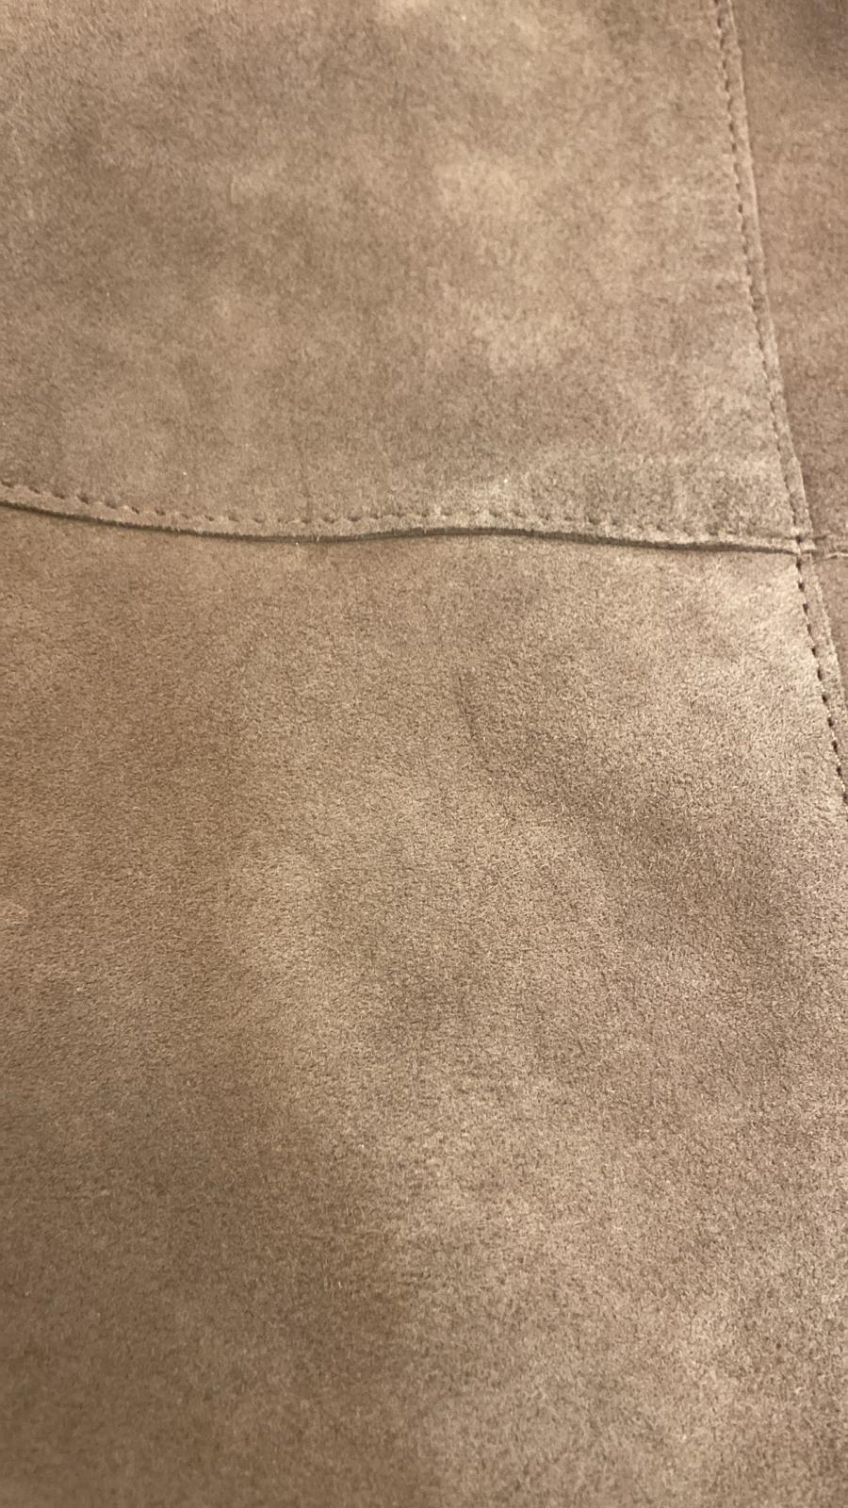 LEATHER QUALITY | GOAT SUEDE , GOOD WRITING EFFECT AND SOFT TOUCH -> AVOID PIN HOLES OR SCRATCHES ON SUEDE, AVOID BUSHY SKINS > THROUGH AND THROUGH DYED DUE THE CLEAN CUT WORKMANSHIP SUBSTANCE: 0,7/0,8 MM -> OK SUBSTANCE AS PER SMS *THE SUEDE SHOULD BE VERY SOFT HAND, WITH GOOD WRITING EFFECT > ALL PANELS SHOULD BE CUT WITH THE SAME HAIR DIRECTION COLOR OF SUEDE SHOULD BE FIXED AND MUST NOT BLEEDING > SUEDE PANELS SHOULD BE CUT ALL WITH SAME HAIR DIRECTION >AVOID VEIN'S MARKS ON SUEDE > AVOID STAINS ON LEATHER > AVOID GLUE MARKS > AVOID MISMATCHING PANELS ON LEATHER > AVOID WHITE SPOTS ON LEATHER > AVOID PIN'S HOLES ON SUEDE > AVOID BACK BONE MARKS

COLOUR | _col.J05 RICE -> FOLLOW THE SUEDE SWATCH SENT YOU FOR REFERENCE, AVOID YELLOW AND PINKISH TONE _col.57 PINE GREEN -> FOLLOW COLOR TONE AS PER SMS style FRANCIS KNIT seal n°403 SENT BACK FOR REFERENCE _col.J24 WHISKY -> FOLLOW THE SUEDE SWATCH SENT YOU FOR REFERENCE-> COLOR SHUOLD BE BRILLIANT _col.06 DARK BROWN -> FOLLOW COLOR TONE AS PER SMS style ADELE KNIT seal n°409 SENT BACK FOR REFERENCE
PATTERN | DISREGARDS THE SMS PATTERN, IT'S NOT VALID ANYMORE WE WILL SEND YOU THE CORRECT PATTERN TO BE USE FOR PPS AS SOON YOU WILL RECEIVE THE CORRECT PATTERN PLEASE PROCEED WITH A PPS size 42 col.WHISKY FOR FINAL FITTING AND WORKMANSHIP APPROVAL

SMS MAIN LABEL POSITION NOT CORRECT
ON PPS AND BULK MAIN LABEL SHOULD BE STITCHED ON LEFT BACK AT 4 CM FROM C.BACK AT WAISTBAND JOINT
4 CM
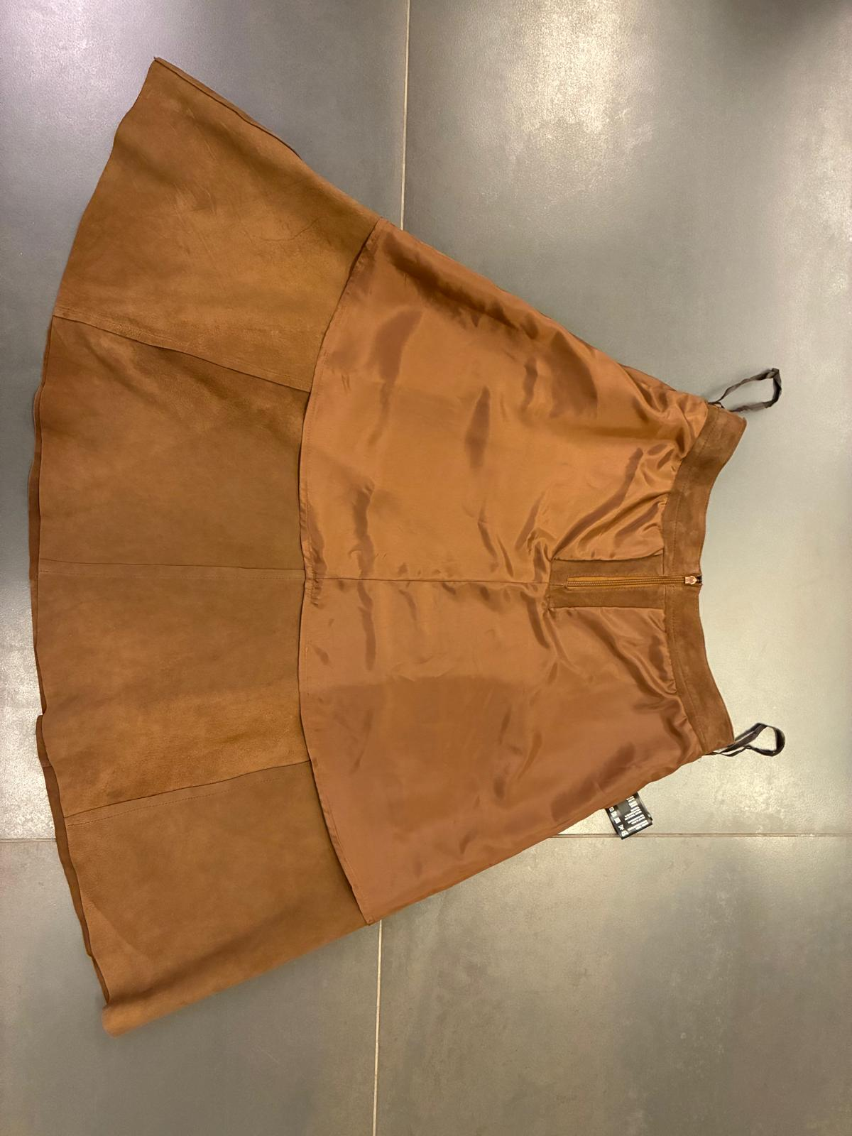 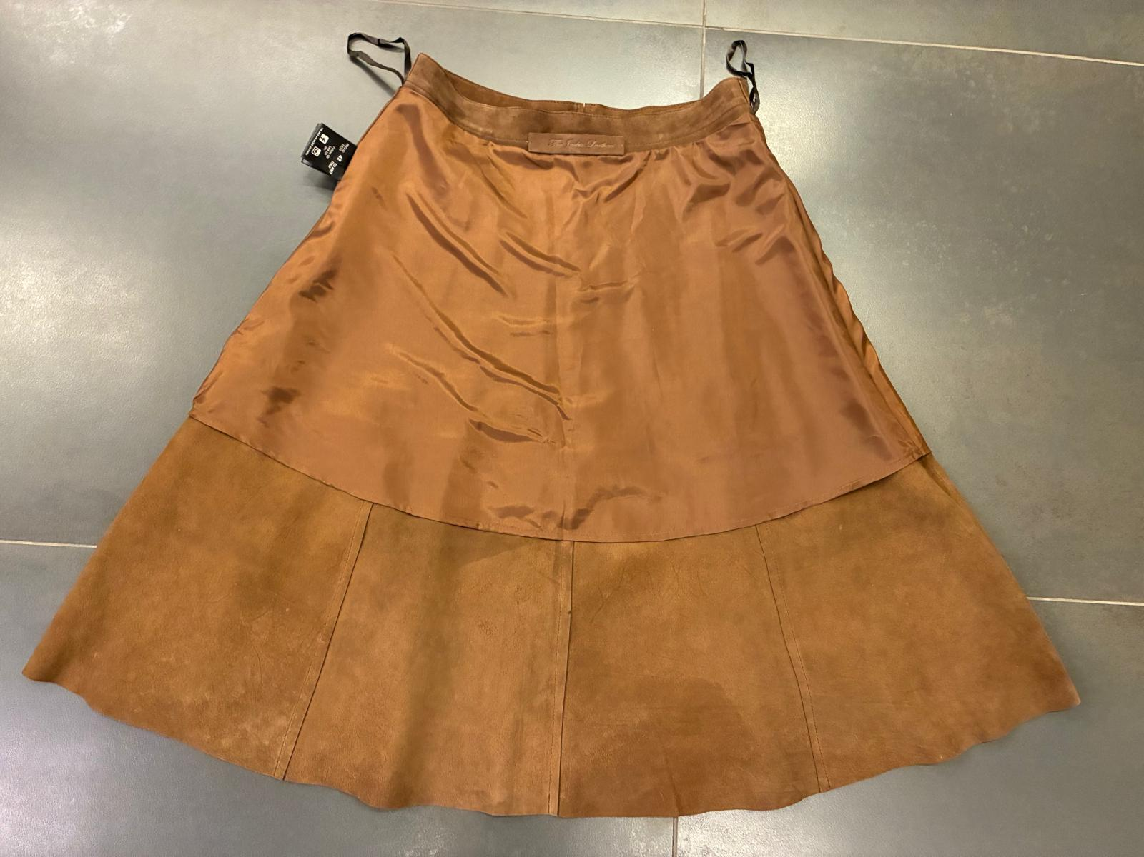 LINING | * FOR LINING PLEASE USE A VERY NICE QUALITY OF LIGHT POLYSATIN MATCHING LEATHER COLOUR -> PROVIDED BY YOU -> OK AS PER SMS > LINING FIXED ON WAISTBAND IN CLEANED WAY AND FLYING AT BOTTOM > TO ANCHOR THE LINING AT SIDES BY LITTLE LINING STRIPES LENGTH 3 CM LENGTH -> OK AS PER SMS > LINING WELL FINISHED AT BOTTOM WITH TURNED UP HEM >> OK LINING CONSTRUCTION AS PER SMS
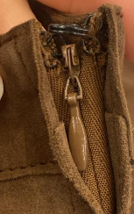 ACCESSORIES | *INVISIBLE ZIPPER WITH DROP SHAPE PULLER MATCHING LEATHER COLOR AT C.BACK -> PROVIDED BY YOU >PAINTED DROP PULLER , MATCHING LEATHER COLOR -> OK PULLER SHAPE AND COLOR AS PER SMS --------------------------------------------------------------------------- *LITTLE METAL HOOK GUN METAL FINISHING THE INVISIBLE ZIPPER -> PROVIDED BY YOU -> OK AS PER SMS
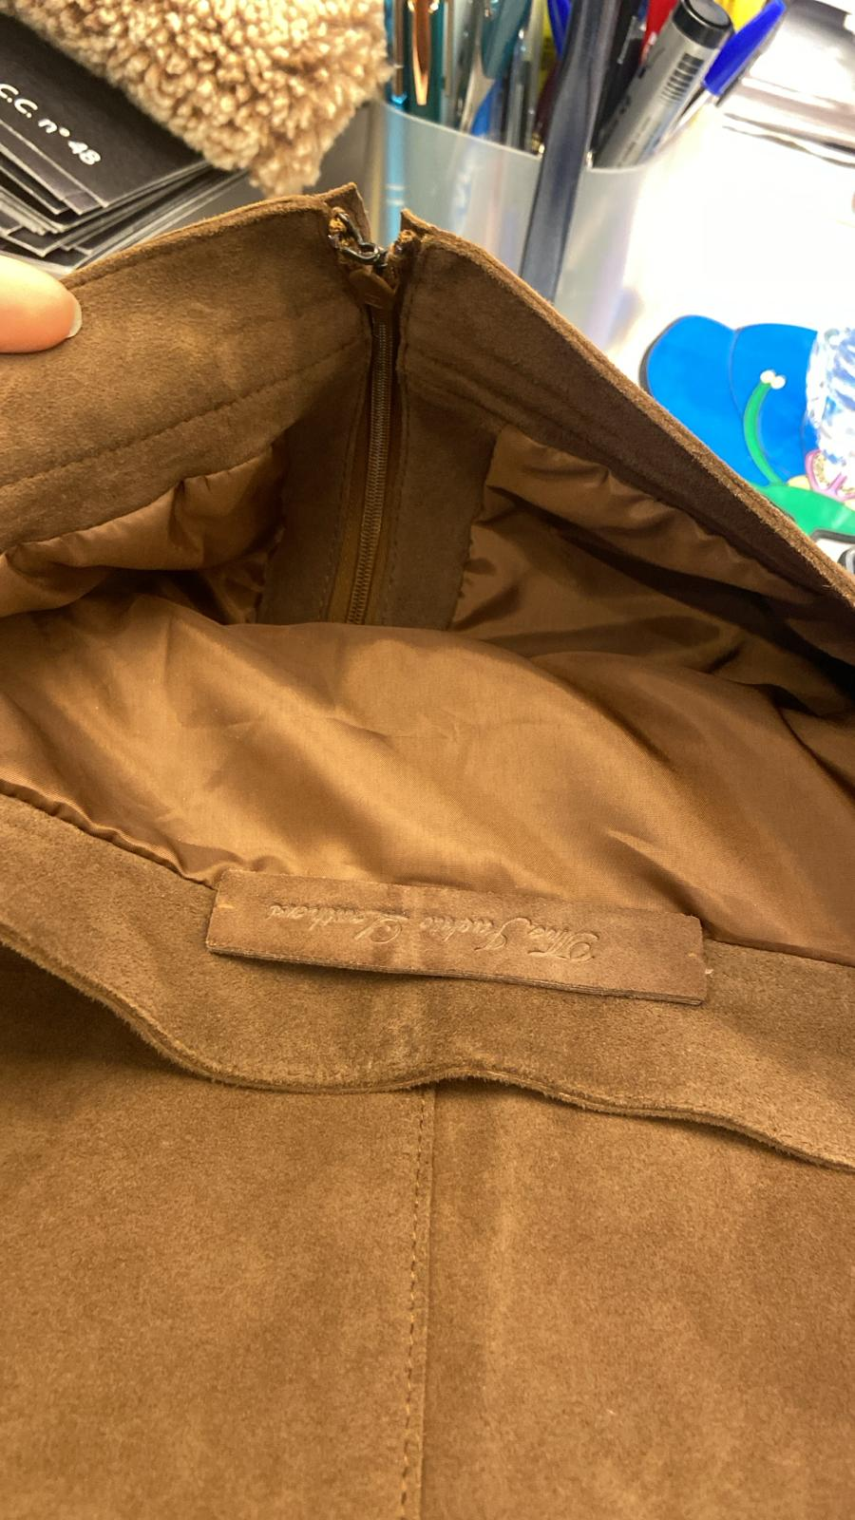 LABELLING | *EMBOSSED MAIN LABEL -> SMS NOT CORRECT, THE LABEL IS STITCHED AT FRONT PANEL, ON PPS AND BULK IT MUST BE STITCHED ON LEFT BACK AT 4 CM FROM C.BACK AT WAISTBAND JOINT *DOUBLE LAYERS OF LEATHER (SAME AS BODY LEATHER) PASTED TOGHETHER *DIMENSION OF MAIN LABEL SHOULD BE 9 cmX 2 cm -> FIXED AT LEFT BACK WAISTBAND FACING AT LEFT BACK WORN SIDE AT 4 CM FROM C.BACK CUT > FIXED BY HAND'S STITHCING AT UPPER PART *LEATHER H-TAG WITH EMBRODERY > HANTAG IN LEATHER, SUEDE > HANTAG SIZE 13 cm width X 6 cm high >"THE" AND "LEATHERS" EMBROIDERED WITH THREAD MATCHING LEATHER COLOR >"JACKIE" EMBROIDERED WITH THREAD MATCHING LINING COLOR > BACK PART SHOULD BE IN LINING FABRIC, art.NEW YORK USED FOR BONDING > FRONT AND BACK LAYERS SEW TOGHETHER ALL AROUND WITH 3mm STITCHING FROM THE EDGE. > STITCHING SHOULD BE MATCHING LEATHER COLOUR >LEATHER HANG TAG with gun metal/nickel eyelet ---------------------------------------------------------------------------------- *PRINTED LABELS 1st PLACE *SIZE LABEL 2nd PLACE *FACEBOOK INSTAGRAM 3rd PLACE *DISTRIBUITO DA 4th PLACE *WASH CARE LABEL 5th PLACE *MADE IN INDIA *THE PRINTED LABELS, PROVIDED BY YOU, SHOULD HAVE BLACK GROUND AND WHITE LETTERING SEWN AT LEFT WORN SIDE AT 5 CM FROM WAISTBAND JOINT -> SMS NOT CORRECT **THE CARTON HANGTAGS INFORMATION DOCUMENTS WILL BE SENT LATER AND THE CARTON TAGS ATTACHED TO SMS ARE NOT TO BE USED AS A REFERENCE FOR PRODUCTION
5 CM
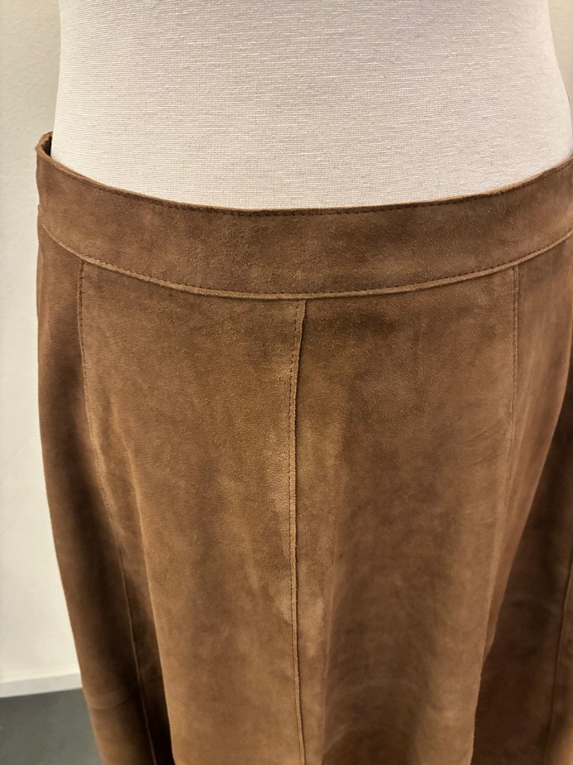
PAY ATTENTION TO DON'T CARRY ON THE SUEDE PANELS DURING THE WAISTBAND JOINT
AND ASSEMBLING SECTION_ IMPROVE IT.
CLEAN CUT WORKMANSHIP SHOULD BE STRAIGHT AND PRECISE IN ALL PARTS_ IMPROVE IT
 | >HANGER LOOPS IN RIBBON SATIN WIDTH 0,5 cm MATCHING LEATHER COLOUR -> OK AS PER SMS >HANGER LOOPS SHOULD BE STITCHED AT SIDE UNDER THE WAISTBAND FACING > THE HANGER LOOPS SHOULD BE LENGTH 24 CM TOTAL (FOLDED-> 12 CM )
STITCHING | OK STITCHING AS PER SMS *CLEAN CUT WORKMANSHIP WITH SINGLE STITCHING AT 0,2 CM FROM THE EDGE FOR VERTICAL CUTS, HORIZONTAL CUT *CLEAN CUT WORKMANSHIP FOR BOTTOM SKIRT, NO VISIBLE STITCHING -> OK AS PER SMS *OK DOUBLE STITCHING AT BOTH SIDES OF C.BACK INVISIBLE ZIPPER -> ANYWAY OK AS PER SMS * FOR STITCHING PLEASE USE A VERY NICE QUALITY OF THREAD MATCHING LEATHER COLOUR -> OK THREAD QUALITY AS PER SMS
DETAILS | THE WORKMANSHIP MUST BE VERY CLEANED AND PRECISE >> PAY VERY ATTENTION TO AVOID "TIP" AT THE END OF BACK ZIPPER >CLEAN CUT WORKMANSHIP SHOULD BE STRAIGHT AND PRECISE IN ALL PARTS_ IMPROVE IT PAY ATTENTION TO DON'T CARRY ON THE SUEDE PANELS DURING THE WAISTBAND JOINT AND ASSEMBLING SECTION_ IMPROVE IT. >PAY ATTENTION TO DON'T LOOSE AND RUIN THE SUEDE AT FRONT WAISTBAND MARGIN > AVOID WRINKLES AROUND SEAMS > AVOID SEAMS ALLOWANCE MARKS ON SUEDE >AVOID PENDING YARNS > ALL STITCHING MUST BE WELL FIXED UNTIL THE END > AVOID STAINS ON LEATHER > AVOID SCRATCHES ON LEATHER

PACKING & SHIPMENT IMPROVE PACKING/PROCESS TO PREVENT DEEP MARKS TAKE CARE TO PROTECT HANGED LABELLING IN ORDER TO DO NOT LEAVE IMPRESSION ON THE JACKET

